Ext.Data & Regr.
Year | Global Market Revenue (mio $) | Global Revenue Growth of the Market | Global Average Revenue Per Capita | Unit Sales of PS5 (units)
2018 | $1,635 | 5.40% | 2.23 | 9180000
2019 | $1,686 | -7.8% | 2.28 | 9180000
2020 | $2,010 | 20% | 2.69 | 7800000
2021 | $2,134 | 5.40% | 2.83 | 1150000
2022 | $2,327 | 1.60% | 3.06 | 1910000
2023 | $2,371 | 4.30% | 3.09 | 17920000

Global Market Revenue (mio $) Residual Plot
Global Revenue Growth of the Market Residual Plot
Global Average Revenue Per Capita Residual Plot

SUMMARY OUTPUT

Regression Statistics
Multiple R | 0.9779480138
R Square | 0.95638231769
Adjusted R Square | 0.89095579422
Standard Error | 2009283.6257
Observations | 6

ANOVA
 | df | SS | MS | F | Significance F
Regression | 3 | 1.7704409196E+14 | 5.9014697319E+13 | 14.617654538 | 0.064707811988
Residual | 2 | 8.0744413771E+12 | 4.0372206885E+12
Total | 5 | 1.8511853333E+14

 | Coefficients | Standard Error | t Stat | P-value | Lower 95% | Upper 95% | Lower 95.0% | Upper 95.0%
Intercept | 212208575.88 | 31441731.051 | 6.7492650304 | 0.021255246632 | 76925725.944 | 347491425.82 | 76925725.944 | 347491425.82
Global Market Revenue (mio $) | 843625.33545 | 127458.16899 | 6.6188408491 | 0.022073362282 | 295217.09672 | 1392033.5742 | 295217.09672 | 1392033.5742
Global Revenue Growth of the Market | 59311014.001 | 13773741.061 | 4.306093293 | 0.049926013663 | 47389.427153 | 118574638.58 | 47389.427153 | 118574638.58
Global Average Revenue Per Capita | -711017756.08 | 107405055.93 | -6.6199654193 | 0.022066109849 | -1173144413.2 | -248891099.02 | -1173144413.2 | -248891099.02

 |  |  |  |  | P-value
RESIDUAL OUTPUT |  |  |  | Intercept | 0.021255246632
 |  |  |  | Total Sony Revenue | 0.022073362282
Observation | Predicted Unit Sales of PS5 (mio units) | Residuals |  | R&D Expense | 0.049926013663
1 | 9169198.0342 | 10801.965813 |  | Operating Expenses of Sony | 0.022066109849
2 | 8814148.4899 | 365851.5101
3 | 7119939.0745 | 680060.92552 |  | Regression Statistics
4 | 3527586.7747 | -2377586.7747 |  | Adjusted R Square | 0,890
5 | 559374.08567 | 1350625.9143
6 | 17949753.541 | -29753.541089

gb mark rev
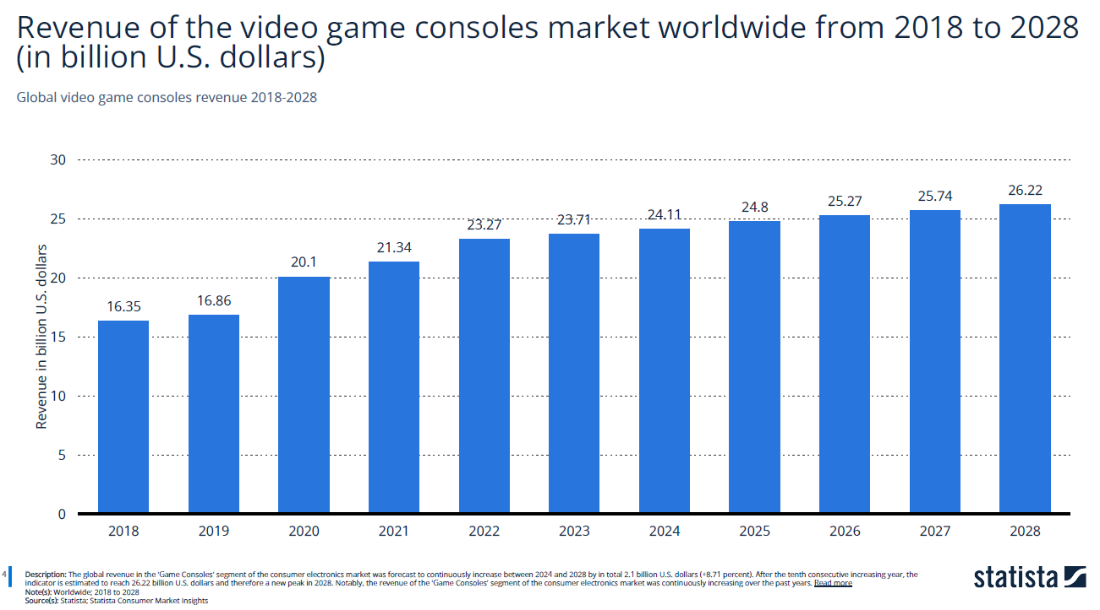
if the revenue of the video game console market is increasing, it could indicate growing demand for video game consoles, which could benefit Sony if they are able to capture a larger share of the market.
On the other hand, if the revenue of the video game console market is decreasing, it could indicate increased competition or changes in consumer preferences, which could negatively impact Sony's profitability.

gb rev grwt
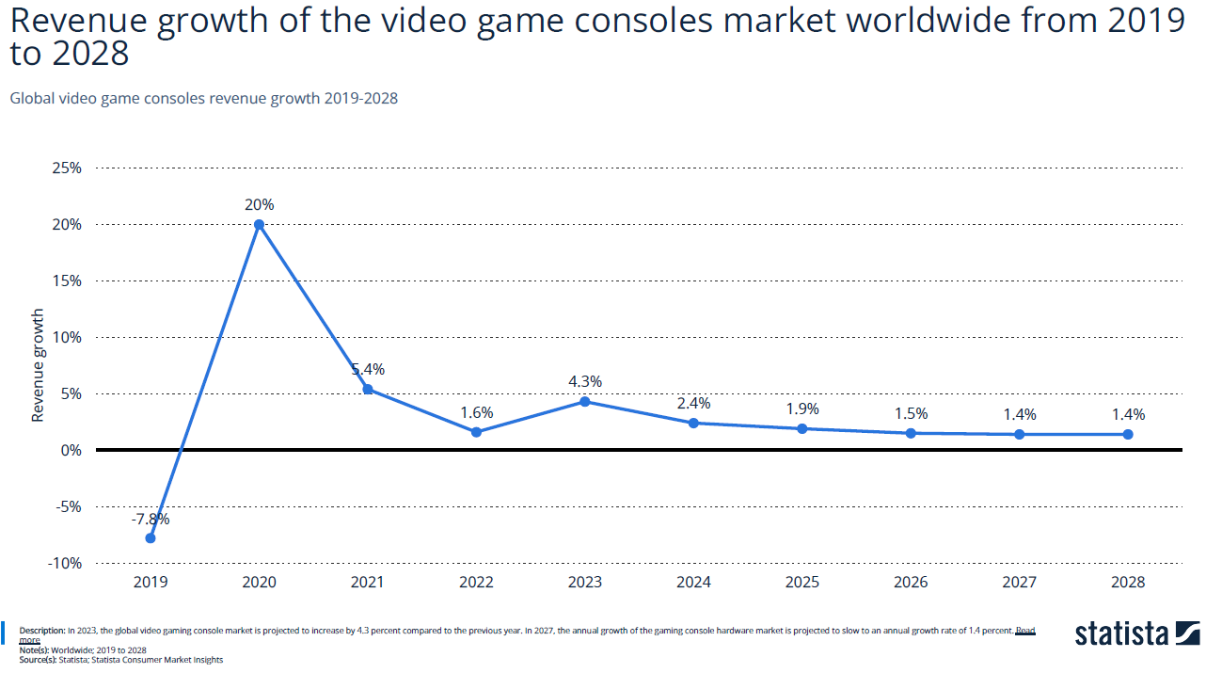
if the revenue growth of the video game console market is positive, it could indicate a growing market, which could benefit Sony if they are able to capture a larger share of the market.
On the other hand, if the revenue growth of the video game console market is negative, it could indicate a shrinking market, which could negatively impact Sony's profitability.

rev cap
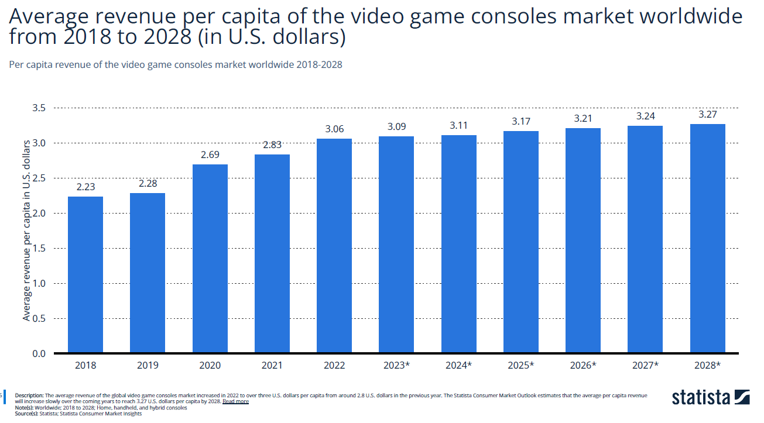
If the average revenue per capita of the video game consoles market is increasing, it could indicate growing demand for video game consoles, which could benefit Sony if they are able to capture a larger share of the market.
On the other hand, if the average revenue per capita is decreasing, it could indicate increased competition or changes in consumer preferences, which could negatively impact Sony's profitability.

un.sal comp
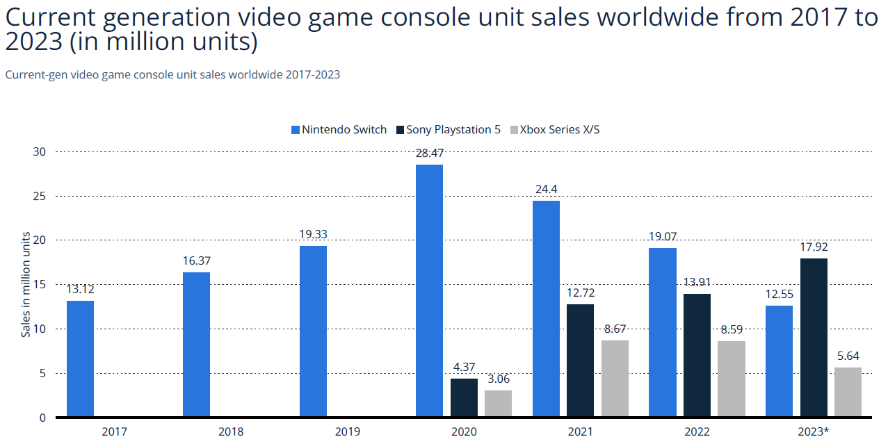
if the current generation video game console unit sales are increasing, it could indicate growing demand for video game consoles, which could benefit Sony if they are able to capture a larger share of the market.
On the other hand, if the current generation video game console unit sales are decreasing, it could indicate increased competition or changes in consumer preferences, which could negatively impact Sony's profitability.

Int. Data & Regr.
 | INTERNAL FACTORS REGRESSION

Year | Total Sony Revenue (bn $) | R&D Expense (mio $) | Operating Expenses of Sony (mio $) | Unit Sales of PS5 (unit)
2017 | $80 | $4,220 | $1,766 | 9180000 |  | 10,860,000.00 | 20-22 Sales
2018 | $80 | $4,430 | $1,999 | 9180000 |  | 16,400,000.00 | 2023 Sales
2019 | $78 | $4,590 | $1,739 | 9180000 |  | 27,260,000.00 | Total Sales Recorded
2020 | $83 | $5,140 | $2,314 | 7800000 |  | 54,800,000.00 | Total Sales given by Sony (2024)
2021 | $90 | $5,510 | $2,393 | 1150000 |  | 27,540,000.00 | (Missing Sales)
2022 | $82 | $5,240 | $3,621 | 1910000 |  | 9,180,000 | (Sales per year missing Sales /3)
 |  |  |  | PS5 launch on 2017
 |  |  |  |  |  | Sonys Website
 |  |  |  |  |  | https://www.gematsu.com/2024/02/ps5-shipments-top-54-8-million-marvels-spider-man-2-sales-top-10-million

Total Sony Revenue Residual Plot
Operating Expenses of Sony Residual Plot
R&D Expense ( $) Residual Plot

SUMMARY OUTPUT

Regression Statistics
Multiple R | 0.95610831952
R Square | 0.91414311866
Adjusted R Square | 0,785
Standard Error | 1768643.8389
Observations | 6

ANOVA
 | df | SS | MS | F | Significance F
Regression | 3 | 6.6611597942E+13 | 2.2203865981E+13 | 7.0981933689 | 0.12598015901
Residual | 2 | 6.2562020578E+12 | 3.1281010289E+12
Total | 5 | 72867800000000

 | Coefficients | Standard Error | t Stat | P-value | Lower 95% | Upper 95% | Lower 95.0% | Upper 95.0%
Intercept | 58469266.302 | 18343361.731 | 3.1874891397 | 0.085928070261 | -20455849.121 | 137394381.72 | -20455849.121 | 137394381.72
Total Sony Revenue | -0.00055120012548 | 0.00036466318771 | -1.5115321317 | 0.026977670267 | -0.0021202191855 | 0.0010178189346 | -0.0021202191855 | 0.0010178189346
R&D Expense ( $) | 0.00013188326584 | 0.0038050526362 | 0.03466003718 | 0.097549900994 | -0.016239936846 | 0.016503703378 | -0.016239936846 | 0.016503703378
Operating Expenses of Sony | -0.0032176841913 | 0.0017392285804 | -1.8500640039 | 0.020553002345 | -0.010700980791 | 0.004265612408 | -0.010700980791 | 0.004265612408

 |  |  |  | P-value
RESIDUAL OUTPUT |  |  | Intercept | 0.085928070261
 |  |  | Total Sony Revenue | 0.026977670267
Observation | Predicted Unit Sales of PS5 (mio unit) | Residuals | R&D Expense | 0.097549900994
1 | 9246408.0579 | -66408.057852 | Operating Expenses of Sony | 0.020553002345
2 | 8522774.285 | 657225.71498
3 | 10484804.359 | -1304804.3588 | Regression Statistics
4 | 5951492.886 | 1848507.114 | Adjusted R Square | 0,785
5 | 1885761.1544 | -735761.15435
6 | 2308759.258 | -398759.25801

Tot Rev Sony
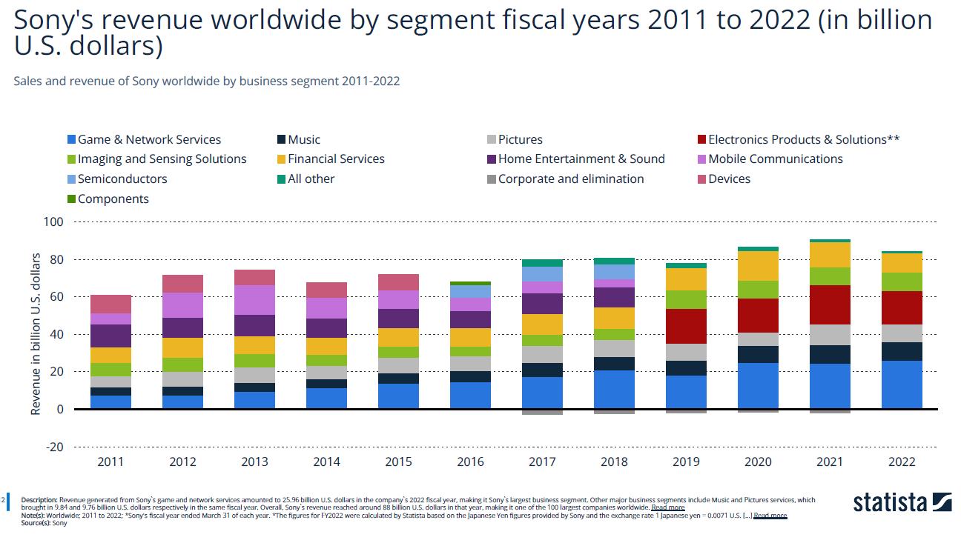
, if the Total Revenue of Sony is increasing, it could indicate growing demand for Sony's products and services, which could benefit Sony's profitability.
On the other hand, if the Total Revenue of Sony is decreasing, it could indicate decreased demand for Sony's products and services, which could negatively impact Sony's profitability.

Rev&Op Exp
1. Operating income = Total Revenue – Direct Costs – Indirect Costs | Total Revenue - Operating Income = Operating Expense
Revenue

if the Operating Expense is increasing, it could indicate that Sony is spending more money to run its business, which could negatively impact profitability. |  |  |  |  | Net Sales
On the other hand, if the Operating Expense is decreasing, it could indicate that Sony is becoming more efficient in its operations, which could positively impact profitability. |  |  |  |  | Year | Yen | USD
 |  |  |  |  | 2012 | 749900000000 | $5,024,330,000
 |  |  |  |  | 2013 | 1043900000000 | $6,994,130,000
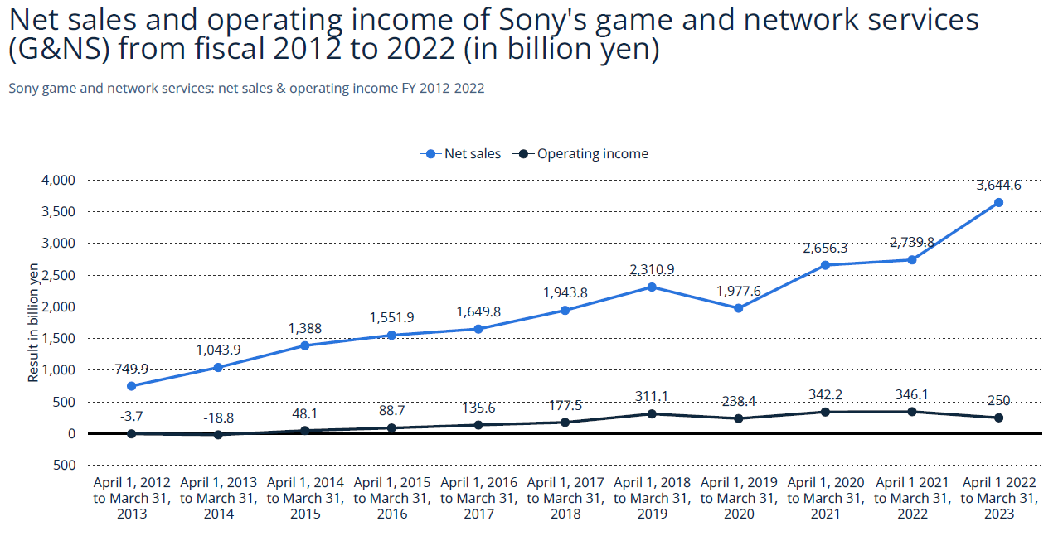
 |  |  |  |  | 2014 | 1388000000000 | $9,299,600,000
 |  |  |  |  | 2015 | 1551900000000 | $10,397,730,000
 |  |  |  |  | 2016 | 1649800000000 | $11,053,660,000
 |  |  |  |  | 2017 | 1943800000000 | $13,023,460,000
 |  |  |  |  | 2018 | 2310900000000 | $15,483,030,000
 |  |  |  |  | 2019 | 1977600000000 | $13,249,920,000
 |  |  |  |  | 2020 | 2656300000000 | $17,797,210,000
 |  |  |  |  | 2021 | 2739800000000 | $18,356,660,000
 |  |  |  |  | 2022 | 3646600000000 | $24,432,220,000

 |  |  | YEN |  |  | Operating Expenses
 |  | Year | Operating Income | Net Sales |  | Year | USD
 |  | 2012 | -3700000 | 749900000000 |  | 2012 | $749,903,700,000
 |  | 2013 | -18800000 | 1043900000000 |  | 2013 | $1,043,918,800,000
 |  | 2014 | 48100000 | 1388000000000 |  | 2014 | $1,387,951,900,000
 |  | 2015 | 88700000 | 1551900000000 |  | 2015 | $1,551,811,300,000
 |  | 2016 | 135600000000 | 1649800000000 |  | 2016 | $1,514,200,000,000
 |  | 2017 | 177500000000 | 1943800000000 |  | 2017 | $1,766,300,000,000
 |  | 2018 | 311100000000 | 2310900000000 |  | 2018 | $1,999,800,000,000
 |  | 2019 | 238400000000 | 1977600000000 |  | 2019 | $1,739,200,000,000
 |  | 2020 | 342200000000 | 2656300000000 |  | 2020 | $2,314,100,000,000
 |  | 2021 | 346100000000 | 2739800000000 |  | 2021 | $2,393,700,000,000
 |  | 2022 | 25000000000 | 3646600000000 |  | 2022 | $3,621,600,000,000

un.sal
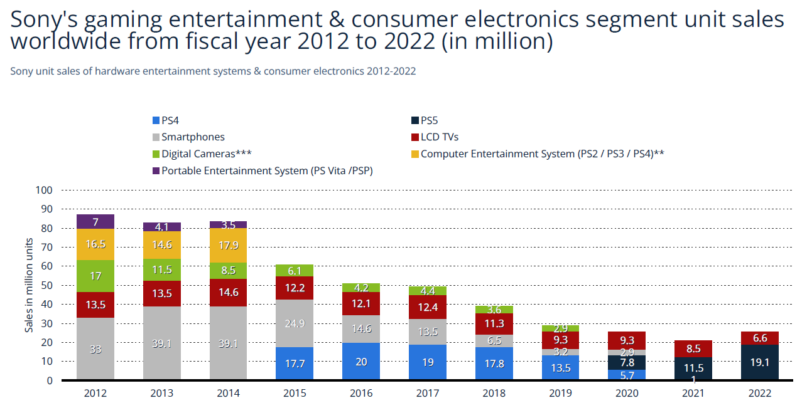
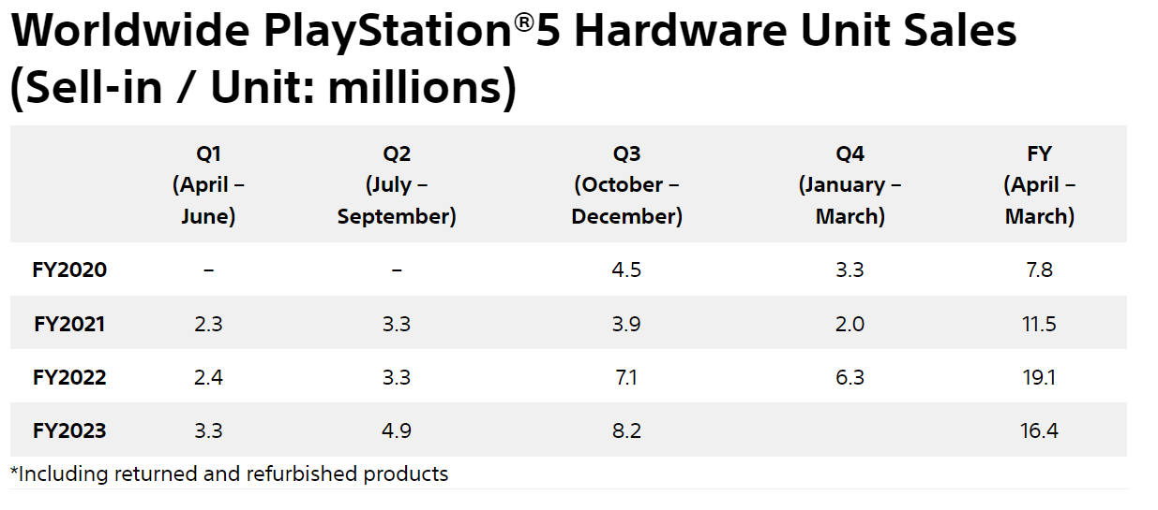
if the Unit Sales are increasing, it could indicate growing demand for Sony's products and services, which could positively impact profitability.
On the other hand, if the Unit Sales are decreasing, it could indicate decreased demand for Sony's products and services, which could negatively impact profitability.

r&d exp
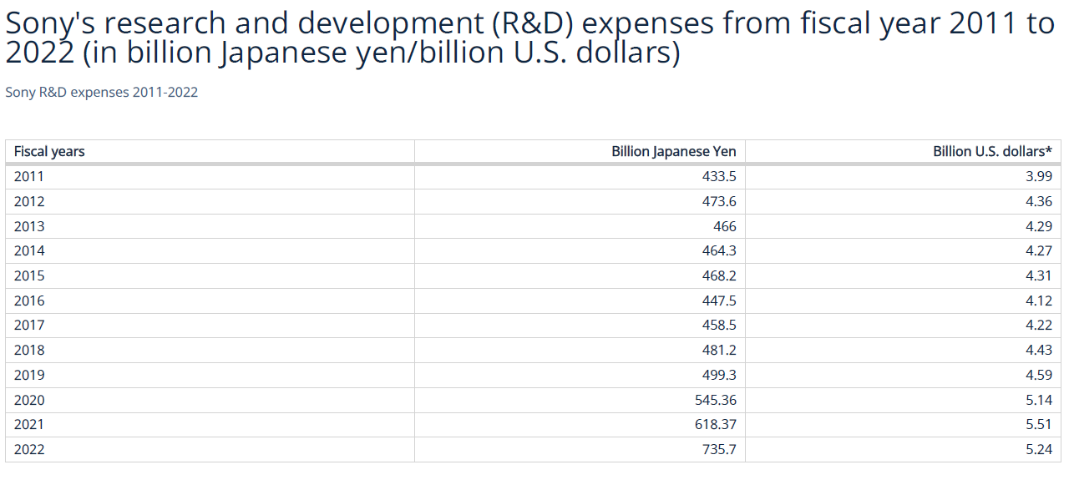
if the R&D Expense is increasing, it could indicate that Sony is investing more in research and development, which could lead to the development of new products or improvements to existing products, potentially increasing profitability in the long run. But it could not be affected in the short run.
On the other hand, if the R&D Expense is decreasing, it could indicate that Sony is cutting back on research and development, which could negatively impact profitability in the long run.

